Arkusz1
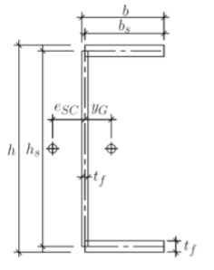
 |  |  |  | Geometria
 |  |  |  | UPE160
 |  |  |  | h= | 160 | [mm]
 |  |  |  | b= | 70 | [mm]
 |  |  |  | tw= | 5.5 | [mm]
 |  |  |  | tf= | 9.5 | [mm]
 |  |  |  | bs= | 67.25 | [mm]
 |  |  |  | hs= | 150.5 | [mm]
 |  |  |  | L= | 3800 | [mm]

 |  |  |  | Materiał
 |  |  |  | E= | 210 | [GPa]
 |  |  |  | v= | 0.3 | [-]
 |  |  |  | G= | 80.769230769 | [GPa]
 |  |  |  | yM1= | 1.1 | [-]
 |  |  |  | S235
 |  |  |  | fy= | 235 | [N/mm2]

A= | 2105.5 | [mm2]
zG= | 75.3 | [mm]
yG= | 20.4 | [mm]
Iy= | 8807344.349 | [mm4]
Iz= | 1051600.9495 | [mm4]

It= | 46785.458333 | [mm4]
Iw= | 4179648596.2 | [mm6]
zSC= | 75.3 | [mm]
zs= | 0.0 | [mm]
eSC= | 27.62 | [mm]
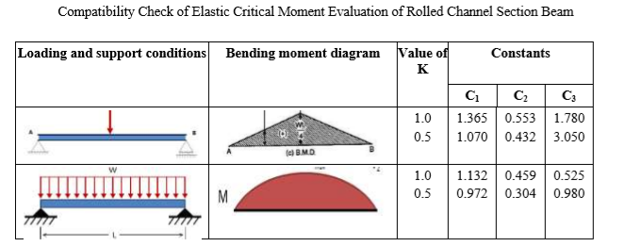

C1= | 1.132 | [-]
C2= | 0.459 | [-]
C3= | 0.525 | [-]
kz= | 1 | [-]
kw= | 1 | [-]
zg= | 75.25 | [mm] | -> Lastenpunkt in obere Gurte
zj= | 0 | [mm]

Mcr= | 23.78 | [kNm]

fyd= | 213.6 | [N/mm2]

Wpl,y= | 127294.78125 | [mm3]
Mpl,y= | 27.19 | [kNm]

lambda LT= |  | 1.0693669832 | [-]
krzywa d alfa=0,76

fi LT= | 1.402 | [-]
chi LT= | 0.43 | [-] | Mb,Rd= | 11.8 | [kNm]

